Cover
Cool experiments and tools for hobbyists and
future professionals



Tutorial on YouTube!

Cool Tool: | Solar Generator & Battery Dimensioning

 |  | Dimensioning
 |  | Dimensioning for worst case
 |  | Examples with Micro-Processor-Boards

Version 01.06.2021
Further distribution without changes is permitted

Solar Dimensioning & Var
 |  |  | What size is right?
 |  |  | How much Energy can I expect?
 |  |  | Dimension a small Solar Generator

 | see YouTube Tutorial!

Variation Opt. Scenario:
Low Power Sleep Mode | Inputs |  |  | Results w/o Solar Charge |  |  |  |  |  | Results with Solar Charge |  |  |  |  |  | Calculation

 |  |  |  |  |  |  |  |  |  |  |  |  |  |  |  |  |  | Charge Var pm | 400 | mAh equals |  | days of not expected irregular weather per month
Power Generation | Solar Panel Information |  |  |  |  |  | Solar Panel Rating
 |  |  |  |  |  |  |  |  |  |  |  |  | Opt. Panel |  | My Panel | My Panel | My total | My Charge |  |  | My Charge |  |  | My Charge
measure with multimeter | Nominal Voltage | 5 | V |  |  |  |  |  |  |  |  | Month | Max Harvest |  | Harvest | Harvest | Consumption | Flow | Min Flow | Max Flow | State 1 | Min State 1 | Max State 1 | State 2 | Min State 2 | Max State 2
measure with multimeter | Maximum Current in the Sun | 145 | mA |  |  |  | est. Peak Power | 725 | mW |  |  | Month | kWh/kWp | % | mWh | mAh | mAh | mAh | mAh | mAh | mAh | mAh | mAh | mAh | mAh | mAh
measure with multimeter | Solar Panel Area | 44 | cm2 |  |  |  | Good Reference (200W/m2) Comparison | 880 | mW |  |  | 2020-01-01 | 21.86 | 2.1% | 10776.0 | 2912.4 | 4622.05 | -1709.63 | -2451.55 | -967.70 | 290.37 | -451.55 | 1032.30 | 290.37 | 0.00 | 1032.30
 |  |  |  |  |  |  |  |  |  |  |  | 2020-02-01 | 55.46 | 5.4% | 27344.0 | 7390.3 | 4622.05 | 2768.22 | 2921.86 | 2614.57 | 2200.00 | 2200.00 | 2200.00 | 2200.00 | 2200.00 | 2200.00
 |  |  |  |  |  |  |  |  |  |  |  | 2020-03-01 | 103.69 | 10.2% | 51118.4 | 13815.8 | 4622.05 | 9193.75 | 10632.50 | 7755.00 | 2200.00 | 2200.00 | 2200.00 | 2200.00 | 2200.00 | 2200.00
 |  |  |  |  |  |  |  |  |  |  |  | 2020-04-01 | 119.26 | 11.7% | 58796.3 | 15890.9 | 4622.05 | 11268.85 | 13122.61 | 9415.08 | 2200.00 | 2200.00 | 2200.00 | 2200.00 | 2200.00 | 2200.00
Latitude, Country | Solar Country Conditions |  |  |  |  |  | Solar Country Conditions |  |  |  |  | 2020-05-01 | 74.04 | 7.3% | 36503.6 | 9865.8 | 4622.05 | 5243.78 | 5892.53 | 4595.02 | 2200.00 | 2200.00 | 2200.00 | 2200.00 | 2200.00 | 2200.00
see Internet: |  |  |  |  |  |  |  |  |  |  |  | 2020-06-01 | 142.62 | 14.0% | 70313.1 | 19003.5 | 4622.05 | 14381.50 | 16857.79 | 11905.20 | 2200.00 | 2200.00 | 2200.00 | 2200.00 | 2200.00 | 2200.00
Solar Monthly Harvesting | Monthly Yield in kWh per kWp |  |  |  |  |  |  |  |  |  |  | 2020-07-01 | 127.05 | 12.5% | 62635.2 | 16928.4 | 4622.05 | 12306.40 | 14367.67 | 10245.12 | 2200.00 | 2200.00 | 2200.00 | 2200.00 | 2200.00 | 2200.00
kWh per kWp
kWh per kWp | Jan | 21.9 | kWh/kWp |  |  |  |  |  |  |  |  | 2020-08-01 | 104.78 | 10.3% | 51657.2 | 13961.4 | 4622.05 | 9339.37 | 10807.24 | 7871.49 | 2200.00 | 2200.00 | 2200.00 | 2200.00 | 2200.00 | 2200.00
kWp = Kilowattpeak | Feb | 55.5 | kWh/kWp |  |  |  |  |  |  |  |  | 2020-09-01 | 125.55 | 12.3% | 61894.4 | 16728.2 | 4622.05 | 12106.17 | 14127.40 | 10084.93 | 2200.00 | 2200.00 | 2200.00 | 2200.00 | 2200.00 | 2200.00
 | Mar | 103.7 | kWh/kWp |  |  |  |  |  |  |  |  | 2020-10-01 | 77.87 | 7.6% | 38389.3 | 10375.5 | 4622.05 | 5753.45 | 6504.14 | 5002.76 | 2200.00 | 2200.00 | 2200.00 | 2200.00 | 2200.00 | 2200.00
 | Apr | 119.3 | kWh/kWp |  |  |  |  |  |  |  |  | 2020-11-01 | 37.57 | 3.7% | 18521.2 | 5005.7 | 4622.05 | 383.67 | 60.41 | 706.94 | 2200.00 | 2200.00 | 2200.00 | 2200.00 | 2200.00 | 2200.00
 | Mai | 74.0 | kWh/kWp |  |  |  |  |  |  |  |  | 2020-12-01 | 28.14 | 2.8% | 13874.0 | 3749.7 | 4622.05 | -872.31 | -1446.77 | -297.85 | 1327.69 | 753.23 | 1902.15 | 1327.69 | 753.23 | 1902.15
 | Jun | 142.6 | kWh/kWp |  |  |  |  |  |  |  |  | 2021-01-01 | 21.86 | 2.1% | 10776.0 | 2912.4 | 4622.05 | -1709.63 | -2451.55 | -967.70 | -381.94 | -1698.32 | 934.45 | 0.00 | 0.00 | 934.45
 | Jul | 127.0 | kWh/kWp |  |  |  |  |  |  |  |  | 2021-02-01 | 55.46 | 5.4% | 27344.0 | 7390.3 | 4622.05 | 2768.22 | 2921.86 | 2614.57 | 2200.00 | 1223.54 | 2200.00 | 2200.00 | 1223.54 | 2200.00
 | Aug | 104.8 | kWh/kWp |  |  |  |  |  |  |  |  | 2021-03-01 | 103.69 | 10.2% | 51118.4 | 13815.8 | 4622.05 | 9193.75 | 10632.50 | 7755.00 | 2200.00 | 2200.00 | 2200.00 | 2200.00 | 2200.00 | 2200.00
 | Sep | 125.5 | kWh/kWp |  |  |  |  |  |  |  |  | 2021-04-01 | 119.26 | 11.7% | 58796.3 | 15890.9 | 4622.05 | 11268.85 | 13122.61 | 9415.08 | 2200.00 | 2200.00 | 2200.00 | 2200.00 | 2200.00 | 2200.00
 | Okt | 77.9 | kWh/kWp |  |  |  |  |  |  |  |  | 2021-05-01 | 74.04 | 7.3% | 36503.6 | 9865.8 | 4622.05 | 5243.78 | 5892.53 | 4595.02 | 2200.00 | 2200.00 | 2200.00 | 2200.00 | 2200.00 | 2200.00
 | Nov | 37.6 | kWh/kWp |  |  |  |  |  |  |  |  | 2021-06-01 | 142.62 | 14.0% | 70313.1 | 19003.5 | 4622.05 | 14381.50 | 16857.79 | 11905.20 | 2200.00 | 2200.00 | 2200.00 | 2200.00 | 2200.00 | 2200.00
 | Dez | 28.1 | kWh/kWp |  |  |  |  |  |  |  |  | 2021-07-01 | 127.05 | 12.5% | 62635.2 | 16928.4 | 4622.05 | 12306.40 | 14367.67 | 10245.12 | 2200.00 | 2200.00 | 2200.00 | 2200.00 | 2200.00 | 2200.00
 |  |  |  |  |  |  |  |  |  |  |  | 2021-08-01 | 104.78 | 10.3% | 51657.2 | 13961.4 | 4622.05 | 9339.37 | 10807.24 | 7871.49 | 2200.00 | 2200.00 | 2200.00 | 2200.00 | 2200.00 | 2200.00
 | Total | 1017.9 | kWh/kWp |  |  |  |  |  |  |  |  | 2021-09-01 | 125.55 | 12.3% | 61894.4 | 16728.2 | 4622.05 | 12106.17 | 14127.40 | 10084.93 | 2200.00 | 2200.00 | 2200.00 | 2200.00 | 2200.00 | 2200.00
 |  |  |  |  |  |  |  |  |  |  |  | 2021-10-01 | 77.87 | 7.6% | 38389.3 | 10375.5 | 4622.05 | 5753.45 | 6504.14 | 5002.76 | 2200.00 | 2200.00 | 2200.00 | 2200.00 | 2200.00 | 2200.00
 |  |  |  |  |  |  |  |  |  |  |  | 2021-11-01 | 37.57 | 3.7% | 18521.2 | 5005.7 | 4622.05 | 383.67 | 60.41 | 706.94 | 2200.00 | 2200.00 | 2200.00 | 2200.00 | 2200.00 | 2200.00
 |  |  |  |  |  |  |  |  |  |  |  | 2021-12-01 | 28.14 | 2.8% | 13874.0 | 3749.7 | 4622.05 | -872.31 | -1446.77 | -297.85 | 1327.69 | 753.23 | 1902.15 | 1327.69 | 753.23 | 1902.15
Local Circumstances | Schading from Obstacles |  |  |  |  |  | Schading from Obstacles |  |  |  | Battery State of Charge over 2 Years

Battery State of Charge
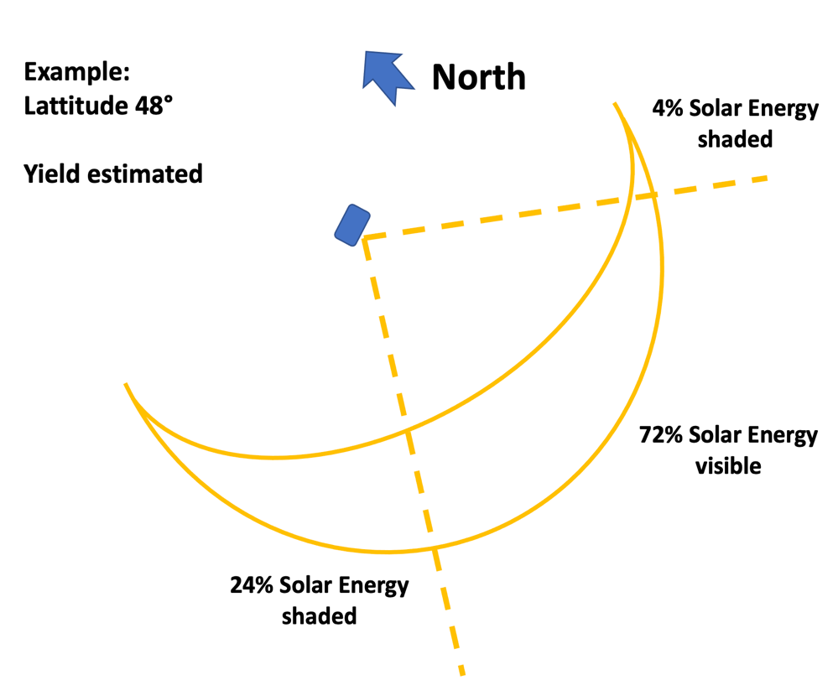
see Site: | Shading (0% = total, 100% = no shading) | 80% |  |  |  |  | Energy Harvest possible at Location | 80%
https://www.sonnenverlauf.de |  |  |  |  |  |  | Energy Harvest lost by Shading at Location | 20%
check sunrise and sunset directions
etimate shading for worst month

Converter | Charge Converter Information |  |  |  |  |  | Charge Converter Rating

supplier informatin or estimate | Efficiency (typically > 0,8) | 0.85 |  |  |  |  | Maximum Loss | 108.75 | mW

Energy Storage | Battery Information | Li Ion |  | Battery Rating

supplier information | Voltage | 3.7 | V | Energy | 8140 | mWh
supplier information | Capacity | 2200 | mAh | Internal Discharge Current | 0.148 | mA
your choice | Initial Battery Charge | 2000 | mAh
supplier information | Battery Internal Discharge per year | 1300 | mAh/y

Energy Consumption | Consumers Information |  |  | Consumers Ratings
 |  |  |  |  |  |  |  |  |  |  | Charge Flow over 2 Years
supplier info or measurement | MicroProcessor Active Mode | 50.00 | mA | MicroProcessor Active per Hour | 0.33 | min
supplier info or measurement | MicroProcessor Sleep Mode | 6.00 | mA | MicroProcessor Sleep Mode per Hour | 59.67 | min
supplier info or measurement | Transceiver | 80.00 | mA | Transceiver Acitve per Hour | 0.02 | min

your oown code | MicroProcessor Active Period | 1.00000 | Sec | MicroProcessor Active Period Consumption per Hour | 0.27778 | mAh
supplier info or measurement | Transceiver Active Period | 0.06000 | Sec | MicroProcessor Sleep Mode Consumption per Hour | 5.96667 | mAh
 |  |  |  | Transceiver Active Period Consumption per Hour | 0.02667 | mAh
 |  |  |  | Battery Internal Discharge per Hour | 0.14840 | mAh
your oown code | Active Cycles per Hour | 20.00 | pH
 |  |  |  | Total Consumption per Hour | 6.42 | mAh
 |  |  |  | Total Consumption per Day | 154.07 | mAh
 |  |  |  | Total Consumption per Month | 4622.05 | mAh
 |  |  |  | Total Consumption per Year | 56273.45 | mAh

 |  |  |  | Total Consumption per Hour | 23.75 | mWh
 |  |  |  | Total Consumption per Day | 570.05 | mWh
 |  |  |  | Total Consumption per Month | 17101.58 | mWh
 |  |  |  | Total Consumption per Year | 208211.77 | mWh

 |  |  |  | Maximum Runtime on Battery Charge in Hours | 342.71 | h
 |  |  |  | Total Runtime on Battery in Days | 14.28 | Tage

 |  |  |  | Additional Information:
 |  |  |  | Duty Cycle of the Tranceiver | 0.033 | %
 |  |  |  | Tranceiver Use per Day (TTN Fair Use is 30 Sec per Day) | 28.800 | Sek

Weather Variation | Variation Simulation |  |  | Consumption Equivalent in Days

estimate from your own perceptions | Energy for no Charge Days per month | 400 | mAh | Consumption Equivalent with no Charge | 2.60 | Days
Over all uncertainties estimate | Uncertainty , degradation, etc | -20 | %

